ABET 2024A
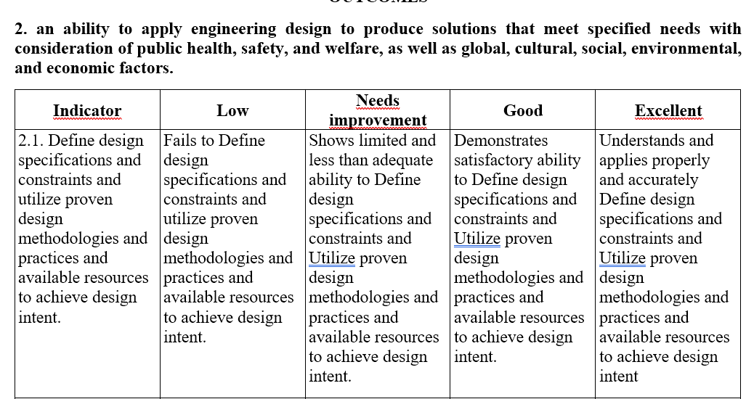
Cod Estudiante | 2026-01-02 | 2026-02-02 | 2026-03-02 | 2026-01-04 | 2026-02-04 | 2026-03-04 | 2026-01-07 | Asignatura | Profesor | Semestre
2520212040 | 2 | 4 | 4 | 4 | 5 | 4 | 5 | Design of concrete structures I | Jorge Olmedo Montoya Vallecilla | 7
2520201002 | 4 | 4 | 4 | 5 | 5 | 4 | 4 | Design of concrete structures I | Jorge Olmedo Montoya Vallecilla | 7
2520201005 | 2 | 1 | 4 | 5 | 5 | 4 | 5 | Design of concrete structures I | Jorge Olmedo Montoya Vallecilla | 7
2520211094 | 4 | 1 | 4 | 4 | 4 | 4 | 4 | Design of concrete structures I | Jorge Olmedo Montoya Vallecilla | 7
2520182075 | 3 | 3 | 3 | 5 | 4 | 4 | 5 | Design of concrete structures I | Jorge Olmedo Montoya Vallecilla | 7
2520201080 | 3 | 3 | 3 | 3 | 5 | 4 | 4 | Design of concrete structures I | Jorge Olmedo Montoya Vallecilla | 7
2520211058 | 3 | 3 | 3 | 3 | 5 | 5 | 5 | Design of concrete structures I | Jorge Olmedo Montoya Vallecilla | 7
2520182040 | 2 | 5 | 2 | 3 | 5 | 5 | 4 | Design of concrete structures I | Jorge Olmedo Montoya Vallecilla | 7
2520212021 | 2 | 5 | 2 | 3 | 5 | 5 | 5 | Design of concrete structures I | Jorge Olmedo Montoya Vallecilla | 7
2520201075 | 3 | 3 | 3 | 3 | 3 | 3 | 4 | Design of concrete structures I | Jorge Olmedo Montoya Vallecilla | 7
2520211005 | 2 | 2 | 2 | 3 | 3 | 5 | 5 | Design of concrete structures I | Jorge Olmedo Montoya Vallecilla | 7
2520222027 | 2 | 2 | 2 | 3 | 3 | 3 | 4 | Design of concrete structures I | Jorge Olmedo Montoya Vallecilla | 7
2520221053 | 3 | 3 | 3 | 3 | 3 | 5 | 5 | Design of concrete structures I | Jorge Olmedo Montoya Vallecilla | 7
2520211042 | 4 | 4 | 4 | 4 | 4 | 3 | 4 | Design of concrete structures I | Jorge Olmedo Montoya Vallecilla | 7
2520181112 | 2 | 2 | 2 | 4 | 4 | 4 | 5 | Design of concrete structures I | Jorge Olmedo Montoya Vallecilla | 7
2520211017 | 2 | 2 | 2 | 4 | 4 | 5 | 4 | Design of concrete structures I | Jorge Olmedo Montoya Vallecilla | 7
2520201135 | 3 | 3 | 3 | 4 | 4 | 3 | 3 | Design of concrete structures I | Jorge Olmedo Montoya Vallecilla | 7
2520211013 | 2 | 2 | 5 | 5 | 5 | 5 | 4 | Design of concrete structures I | Jorge Olmedo Montoya Vallecilla | 7
2520212010 | 2 | 5 | 5 | 5 | 5 | 3 | 3 | Design of concrete structures I | Jorge Olmedo Montoya Vallecilla | 7
2520212057 | 2 | 5 | 5 | 5 | 5 | 5 | 3 | Design of concrete structures I | Jorge Olmedo Montoya Vallecilla | 7
2520211031 | 4 | 1 | 4 | 5 | 5 | 3 | 3 | Design of concrete structures I | Jorge Olmedo Montoya Vallecilla | 7
2520201071 | 4 | 1 | 4 | 5 | 3 | 5 | 5 | Design of concrete structures I | Jorge Olmedo Montoya Vallecilla | 7
2520212033 | 4 | 1 | 4 | 5 | 3 | 4 | 5 | Design of concrete structures I | Jorge Olmedo Montoya Vallecilla | 7
2520211105 | 4 | 1 | 4 | 3 | 3 | 5 | 5 | Design of concrete structures I | Jorge Olmedo Montoya Vallecilla | 7
2520192039 | 5 | 1 | 2 | 4 | 3 | 3 | 2 | Design of concrete structures I | Jorge Olmedo Montoya Vallecilla | 7
2520212016 | 5 | 1 | 5 | 5 | 5 | 3 | 2 | Design of concrete structures I | Jorge Olmedo Montoya Vallecilla | 7
2520201139 | 2 | 2 | 5 | 5 | 5 | 4 | 3 | Design of concrete structures I | Jorge Olmedo Montoya Vallecilla | 7
2520212056 | 3 | 3 | 3 | 5 | 4 | 5 | 3 | Design of concrete structures I | Jorge Olmedo Montoya Vallecilla | 7
2520181090 | 4 | 1 | 4 | 5 | 4 | 3 | 4 | Design of concrete structures I | Jorge Olmedo Montoya Vallecilla | 7
2520212051 | 5 | 2 | 5 | 3 | 4 | 5 | 4 | Design of concrete structures I | Jorge Olmedo Montoya Vallecilla | 7
2520211033 | 5 | 5 | 5 | 3 | 4 | 3 | 5 | Design of concrete structures I | Jorge Olmedo Montoya Vallecilla | 7

